Sheet1
Variable

 |  | 0.0451875

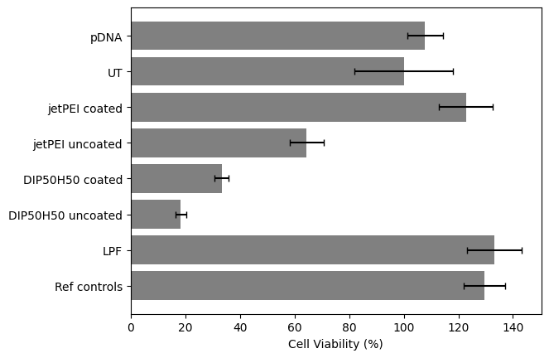
 | Absorbance at 460 | Well 1 | Well 2 | Well 3 |  | Absorbance Correction with 720 nm | Well 1 Correction | Well 2 Correction | Well 3 Correction | Avg |  |  | Viability | % Viability
 | pDNA | 0.473 | 0.535 | 0.482 |  | pDNA | 0.4278125 | 0.4898125 | 0.4368125 | 0.45147916667 |  |  | 1.0779983087 | 107.79983087
 | UT | 0.503 | 0.359 | 0.53 |  | UT | 0.4578125 | 0.3138125 | 0.4848125 | 0.4188125 | AVG Untreated |  | 1 | 100
 | jetPEI coated | 0.586 | 0.591 | 0.501 |  | jetPEI coated | 0.5408125 | 0.5458125 | 0.4558125 | 0.51414583333 |  |  | 1.2276277173 | 122.76277173
 | jetPEI uncoated | 0.349 | 0.285 | 0.312 |  | jetPEI uncoated | 0.3038125 | 0.2398125 | 0.2668125 | 0.27014583333 |  |  | 0.64502810526 | 64.502810526
 | DIP50H50 coated | 0.193 | 0.191 | 0.17 |  | DIP50H50 coated | 0.1478125 | 0.1458125 | 0.1248125 | 0.13947916667 |  |  | 0.33303487042 | 33.303487042
 | DIP50H50 uncoated | 0.121 | 0.113 | 0.133 |  | DIP50H50 uncoated | 0.0758125 | 0.0678125 | 0.0878125 | 0.077145833333 |  |  | 0.18420136298 | 18.420136298
 | LPF | 0.545 | 0.625 | 0.64 |  | LPF | 0.4998125 | 0.5798125 | 0.5948125 | 0.55814583333 |  |  | 1.3326866637 | 133.26866637
 | Ref controls | 0.557 | 0.632 | 0.574 |  | Ref controls | 0.5118125 | 0.5868125 | 0.5288125 | 0.54247916667 |  |  | 1.2952793115 | 129.52793115

 |  |  |  |  |  | Normalization with UT | 1.0931204298 | 0.74929115057 | 1.1575884196 | 1
 |  |  | 115794
 |  |  | 2.306
 |  |  | 2.304 | 0.462 |  |  | 109.31204298 | 74.929115057 | 115.75884196 | 100
 |  |  | 1.947 | 0.446
 |  |  |  | 0.292
 |  |  | 179801 |  |  | Standard Deviation | Well 1 | Well 2 | Well 3 |  |  | Standard Deviation % | Well 1 | Well 2 | Well 3 | Average | StdDev
 |  |  | 1.009 |  |  | pDNA | 1.02148933 | 1.1695269363 | 1.0429786599 |  |  | pDNA | 102.148933 | 116.95269363 | 104.29786599 | 107.79983087 | 6.5312403487
 |  |  | 0.991 |  |  | UT | 1.0931204298 | 0.74929115057 | 1.1575884196 |  |  | UT | 109.31204298 | 74.929115057 | 115.75884196 | 100 | 17.922095453
0.121 | 0.213 | 0.294 | 0.66 |  |  | jetPEI coated | 1.291299806 | 1.3032383226 | 1.0883450231 |  |  | jetPEI coated | 129.1299806 | 130.32383226 | 108.83450231 | 122.76277173 | 9.8608261003
0.118 | 0.207 | 0.286 |  |  |  | jetPEI uncoated | 0.7254141173 | 0.57260110431 | 0.63706909417 |  |  | jetPEI uncoated | 72.54141173 | 57.260110431 | 63.706909417 | 64.502810526 | 6.2638984812
0.04 | 0.1 | 0.161 |  |  | 116227 | DIP50H50 coated | 0.35293239815 | 0.34815699149 | 0.29801522161 |  |  | DIP50H50 coated | 35.293239815 | 34.815699149 | 29.801522161 | 33.303487042 | 2.4839256285
 |  |  | 91130 |  | 0.962 | DIP50H50 uncoated | 0.18101775854 | 0.16191613192 | 0.20967019848 |  |  | DIP50H50 uncoated | 18.101775854 | 16.191613192 | 20.967019848 | 18.420136298 | 1.9625055772
 |  |  | 1.109 |  | 0.938 | LPF | 1.1934039696 | 1.3844202358 | 1.4202357857 |  |  | LPF | 119.34039696 | 138.44202358 | 142.02357857 | 133.26866637 | 9.9567196961
 |  |  | 1.101 |  | 0.388 | Ref controls | 1.2220564095 | 1.4011341591 | 1.2626473661 |  |  | Ref controls | 122.20564095 | 140.11341591 | 126.26473661 | 129.52793115 | 7.6663085419
 |  |  | 0.469

 |  | 0.274 | 0.288
 |  | 1.384 | 0.632 | 0.293
 |  | 1.388 | 0.619 | 0.286
 |  | 1.11 | 0.344 | 0.05
 |  | 304731 | 659203 | 996106

